Directions
I Fixed Income
I.I Bond price [Tab 1]
a. Calculate the price of your semi-annual coupon bearing bond using the formula in template
Hint: A coupon rate 7% is 3.5% semi-annually, annual yield 10% is semi-annual yield of 5%, number of coupon payments = # years*number of coupons per year
b. Calculate the price of your zero-coupon bond in your template
c. Answer the questions row 23 and 24
I.II Bond yield
You hold an annual paid coupon bond with details in your template
a. Calculate the current yield b. Calculate the yield (to maturity) Hint: use the goalseek function c. Calculate the approximate yield to maturity using equation from Lecture 7 slide 14 d. Is this bond par, premium, or discount? Give reasoning. e. Calculate the Macaulay Duration and Modified Duration using goalseek YTM in part b
f. Answer the response and T/F questions about Duration in template and questionnaire. Rows 52 to 63
I.III Term Structure of Interest Rates and Yield Curve [Tab 2+3]
1. 4 month Treasury Yield Curve
a. Import the Treasury yield data for all maturities (1 mo,2mo...30yr) for excel dates that are missing b. Answer the T/F questions describing the Yield Curves from the data and the plot in rows 31-35
2. Pricng a Bond from Treasury rates Using the Treasury rates for 1 yr ,2yr and 3 yr from date cell A41 from above a. Calculate the price of a 3-year bond with cell C43 coupon rate (annually) with a par value of $1000 b. Is this bond a discount, par or premium bond? Why do you think? Hint: remember these Treasury rates are already in %, Treasury rate found is 0.11= 0.11% or 0.0011
3. Import and plot the Treasury yield curve for dates given in the excel from 2006 – 2023. [Tab 3]
Why do you think the Treasury yield and resulting curves look this way?
Do they correspond with major economic events? Do some curves show inverted?
Answer the T/F questions describing the Yield Curves in row 38-43
II Futures
II.I Basis Risk and the Optimal Hedge Ratio [Tab 4+5]
1. Basis Risk
Unilever, the multinational corporation, is worried about the tea industry. Its subsidiary Lipton faces considerable price risk if the price of tea fluctuates greatly. This could be due to policy and environmental concerns around the tea industry. Unilever/Lipton estimates a need to acquire cell P3 kg of tea for production. Currently there is no liquid futures market for tea, therefore Lipton traders must hedge price risk of the tea needed with a similar futures contract.
a. Import monthly spot data for Tea, and the rest of the commodities in the excel sheet.
b. Find the Δ Spot Price matrix for each commodity
c. Make a guess which commodity is the best hedge for tea price risk and plot of the 2 commodities
d. Create the correlation matrix for the ΔSpot Price data for tea and the rest of the commodities. Highlight which commodity has the highest correlation to tea.
2. Optimal Hedge ratio (monthly) e. Use the tea Spot Prices from II.I #1 and import the Cocoa futures Last price for same months
Hint: Be sure the data is correct in order (i.e. if your spot prices ascend 2019 to 2020 your futures data should ascend 2019-2020)
f. Find the ΔPrice for both Spot tea and Cocoa futures
g. Find σp, σf, ρ(p,f) for the ΔPrice data
h. Find the optimal hedge ratio (h*) using equation from Lecture 8 slide 43. Explain what this optimal hedge ratio is, and which has a stronger correlation.
i. Find the optimal # contracts to perform the hedge using equation from Lecture 8 slide 43 and explain what this means for Lipton.
Extra Credit
1. Find the optimal hedge ratio for (spot tea, futures cocoa) using regression, post output on your excel
2. Find the optimal hedge ratio for (spot tea, spot cocoa) using regression, post output on your excel
3. Research the concept of bond convexity, using your research and given graph in the template answer the questionnaire
4. Read the article: Rising interest rates and Commodities Use the article to answer questionnaire questions.

Yield Curve
 |  | source |  | MT | MT | MT | MT | MT | LT | LT | LT
1 Mo | 2 Mo | 3 Mo | 4 Mo | 6 Mo | 1 Yr | 2 Yr | 3 Yr | 5 Yr | 7 Yr | 10 Yr | 20 Yr | 30 Yr
4.67 | 4.82 | 4.90 | 5.02 | 5.20 | 5.06 | 4.89 | 4.61 | 4.27 | 4.17 | 4.01 | 4.17 | 3.97
4.7 | 4.79 | 4.90 | 4.98 | 4.88 | 4.60 | 3.97 | 3.73 | 3.52 | 3.48 | 3.43 | 3.78 | 3.64
4.49 | 5.17 | 5.27 | 5.22 | 5.14 | 4.86 | 4.14 | 3.85 | 3.64 | 3.62 | 3.59 | 3.95 | 3.84
5.3 | 5.39 | 5.50 | 5.5 | 5.44 | 5.11 | 4.33 | 3.98 | 3.70 | 3.66 | 3.61 | 3.98 | 3.84

Treasury Yield Curves
...
Rate
2023-03-01 | 2023-04-03 | 2023-05-01 | 2023-06-01
4.67 | 4.70 | 4.49 | 5.30
4.82 | 4.79 | 5.17 | 5.39
4.90 | 4.90 | 5.27 | 5.50
5.02 | 4.98 | 5.22 | 5.50
5.20 | 4.88 | 5.14 | 5.44
5.06 | 4.60 | 4.86 | 5.11
4.89 | 3.97 | 4.14 | 4.33
4.61 | 3.73 | 3.85 | 3.98
4.27 | 3.52 | 3.64 | 3.70
4.17 | 3.48 | 3.62 | 3.66
4.01 | 3.43 | 3.59 | 3.61
4.17 | 3.78 | 3.95 | 3.98
3.97 | 3.64 | 3.84 | 3.84

10,20,30 year
1-7 years |  |  |  |  | TRUE
0-6mth |  |  |  |  | FALSE
 |  |  |  |  | T/F
 |  |  |  |  | FALSE
 |  |  |  |  | FALSE | *strictly increasing means each successive yield is greater than the previous
 |  |  |  |  | FALSE
 |  |  |  |  | FALSE
...

Treasury YC
2006-2012
 | 2006
...
2013-2023
 | 2013 | 2014 | 2015 | 2016 | 2017 | 2018 | 2019 | 2020 | 2021
...
2018 | 2019 | 2020 | 2021 | 2022 | 2023
1.74 | 2.36 | 0.12 | 0.01 | 0.77 | 5.3
1.92 | 2.35 | 0.14 | 0.02 | 1.15 | 5.5
2.1 | 2.31 | 0.18 | 0.04 | 1.63 | 5.44
2.28 | 2.11 | 0.17 | 0.04 | 2.16 | 5.11
2.47 | 1.82 | 0.14 | 0.16 | 2.66 | 4.33
2.61 | 1.79 | 0.2 | 0.31 | 2.84 | 3.98
2.74 | 1.83 | 0.31 | 0.81 | 2.94 | 3.70
2.85 | 1.95 | 0.5 | 1.28 | 2.98 | 3.66
2.89 | 2.07 | 0.66 | 1.62 | 2.94 | 3.61
2.96 | 2.34 | 1.22 | 2.22 | 3.31 | 3.98
3.04 | 2.53 | 1.46 | 2.3 | 3.09 | 3.84
...

Basis Risk
...
http://www.indexmundi.com/commodities/?commodity=tea&months=12 |  |  |  |  |  |  | Spot | Spot | Spot | spot
Sep-22 | 2.36 | 2.46 | 2.3 | 0.39 | 7.76 | Sep-22 | 0 | 0.04 | -0.02 | 0
Oct-22 | 2.46 | 2.27 | 2.31 | 0.39 | 5.62 | Oct-22 | 0.1 | -0.19 | 0.01 | 0
Nov-22 | 2.49 | 2.04 | 2.41 | 0.41 | 5.28 | Nov-22 | 0.03 | -0.23 | 0.1 | 0.02
Dec-22 | 2.39 | 2.05 | 2.51 | 0.42 | 5.5 | Dec-22 | -0.1 | 0.01 | 0.1 | 0.01
Jan-23 | 2.33 | 2.12 | 2.62 | 0.42 | 3.27 | Jan-23 | -0.06 | 0.07 | 0.11 | 0
Feb-23 | 2.29 | 2.29 | 2.65 | 0.45 | 2.38 | Feb-23 | -0.04 | 0.17 | 0.03 | 0.03
Mar-23 | 2.4 | 2.35 | 2.75 | 0.45 | 2.3 | Mar-23 | 0.11 | 0.06 | 0.1 | 0
Apr-23 | 2.35 | 2.55 | 2.88 | 0.53 | 2.16 | Apr-23 | -0.05 | 0.2 | 0.13 | 0.08
May-23 | 2.23 | 2.7 | 2.96 | 0.56 | 2.15 | May-23 | -0.12 | 0.15 | 0.08 | 0.03

 | Δ tea | Δ coffee
 |  |  |  |  |  |  |  | Guess which commodity would be best fit for tea?
 |  |  |  |  |  |  |  | Natural Gas since they have the lowest correlation

 |  |  |  |  |  |  |  | Correlation Matrix

 |  |  |  |  |  |  |  |  | tea | coffee
 |  |  |  |  |  |  |  | tea | 1.00
 |  |  |  |  |  |  |  | coffee | -0.5116 | 1
 |  |  |  |  |  |  |  | cocoa | -0.2220 | 0.3026476011
 |  |  |  |  |  |  |  | sugar | -0.3592 | 0.3726696862
 |  |  |  |  |  |  |  | NG | -0.2093 | 0.4144195976

 |  |  |  |  |  |  |  | What is our position for tea : long or short ?
 |  |  |  |  |  |  |  | What is our position in our hedge ?
 |  |  |  |  |  |  |  | Why?
 |  |  |  |  |  |  |  | Negative Correlations with the other commodities

 |  |  |  |  |  |  |  | Pick the highest correlated, this could be positive or negative
 |  |  |  |  |  |  |  | if the assets has high positive this means they move in tandem
 |  |  |  |  |  |  |  | if the assets have high negative this means they move opposite

Optimal hedge ratio
...
 | Coefficients | Standard Error | t Stat | P-value | Lower 95% | Upper 95% | Lower 95.0% | Upper 95.0%
Intercept | -0.0034541062802 | 0.020624014226 | -0.16747982436 | 0.87069533636 | -0.050108867692 | 0.043200655132 | -0.050108867692 | 0.043200655132
X Variable 1 | -0.24879227053 | 0.13930635759 | -1.7859362261 | 0.10776096083 | -0.56392514453 | 0.066340603466 | -0.56392514453 | 0.066340603466
...
0.023499999999999854 Residual Plot
...
0.023499999999999854 Line Fit Plot
...
Normal Probability Plot
...
Upper 95% | Lower 95% | Upper 95%
0.020419820155 | -0.067410174381 | 0.020419820155
0.0076246347257 | -0.4387327266 | 0.0076246347257
...
-0.01
-0.12
-0.1
-0.06
-0.05
-0.04
-0.01
0
0
0.03
0.1
0.11
...

EXTRA Bond and Commodity
EXTRA: Bond Convexity Graph |  | Give your sources
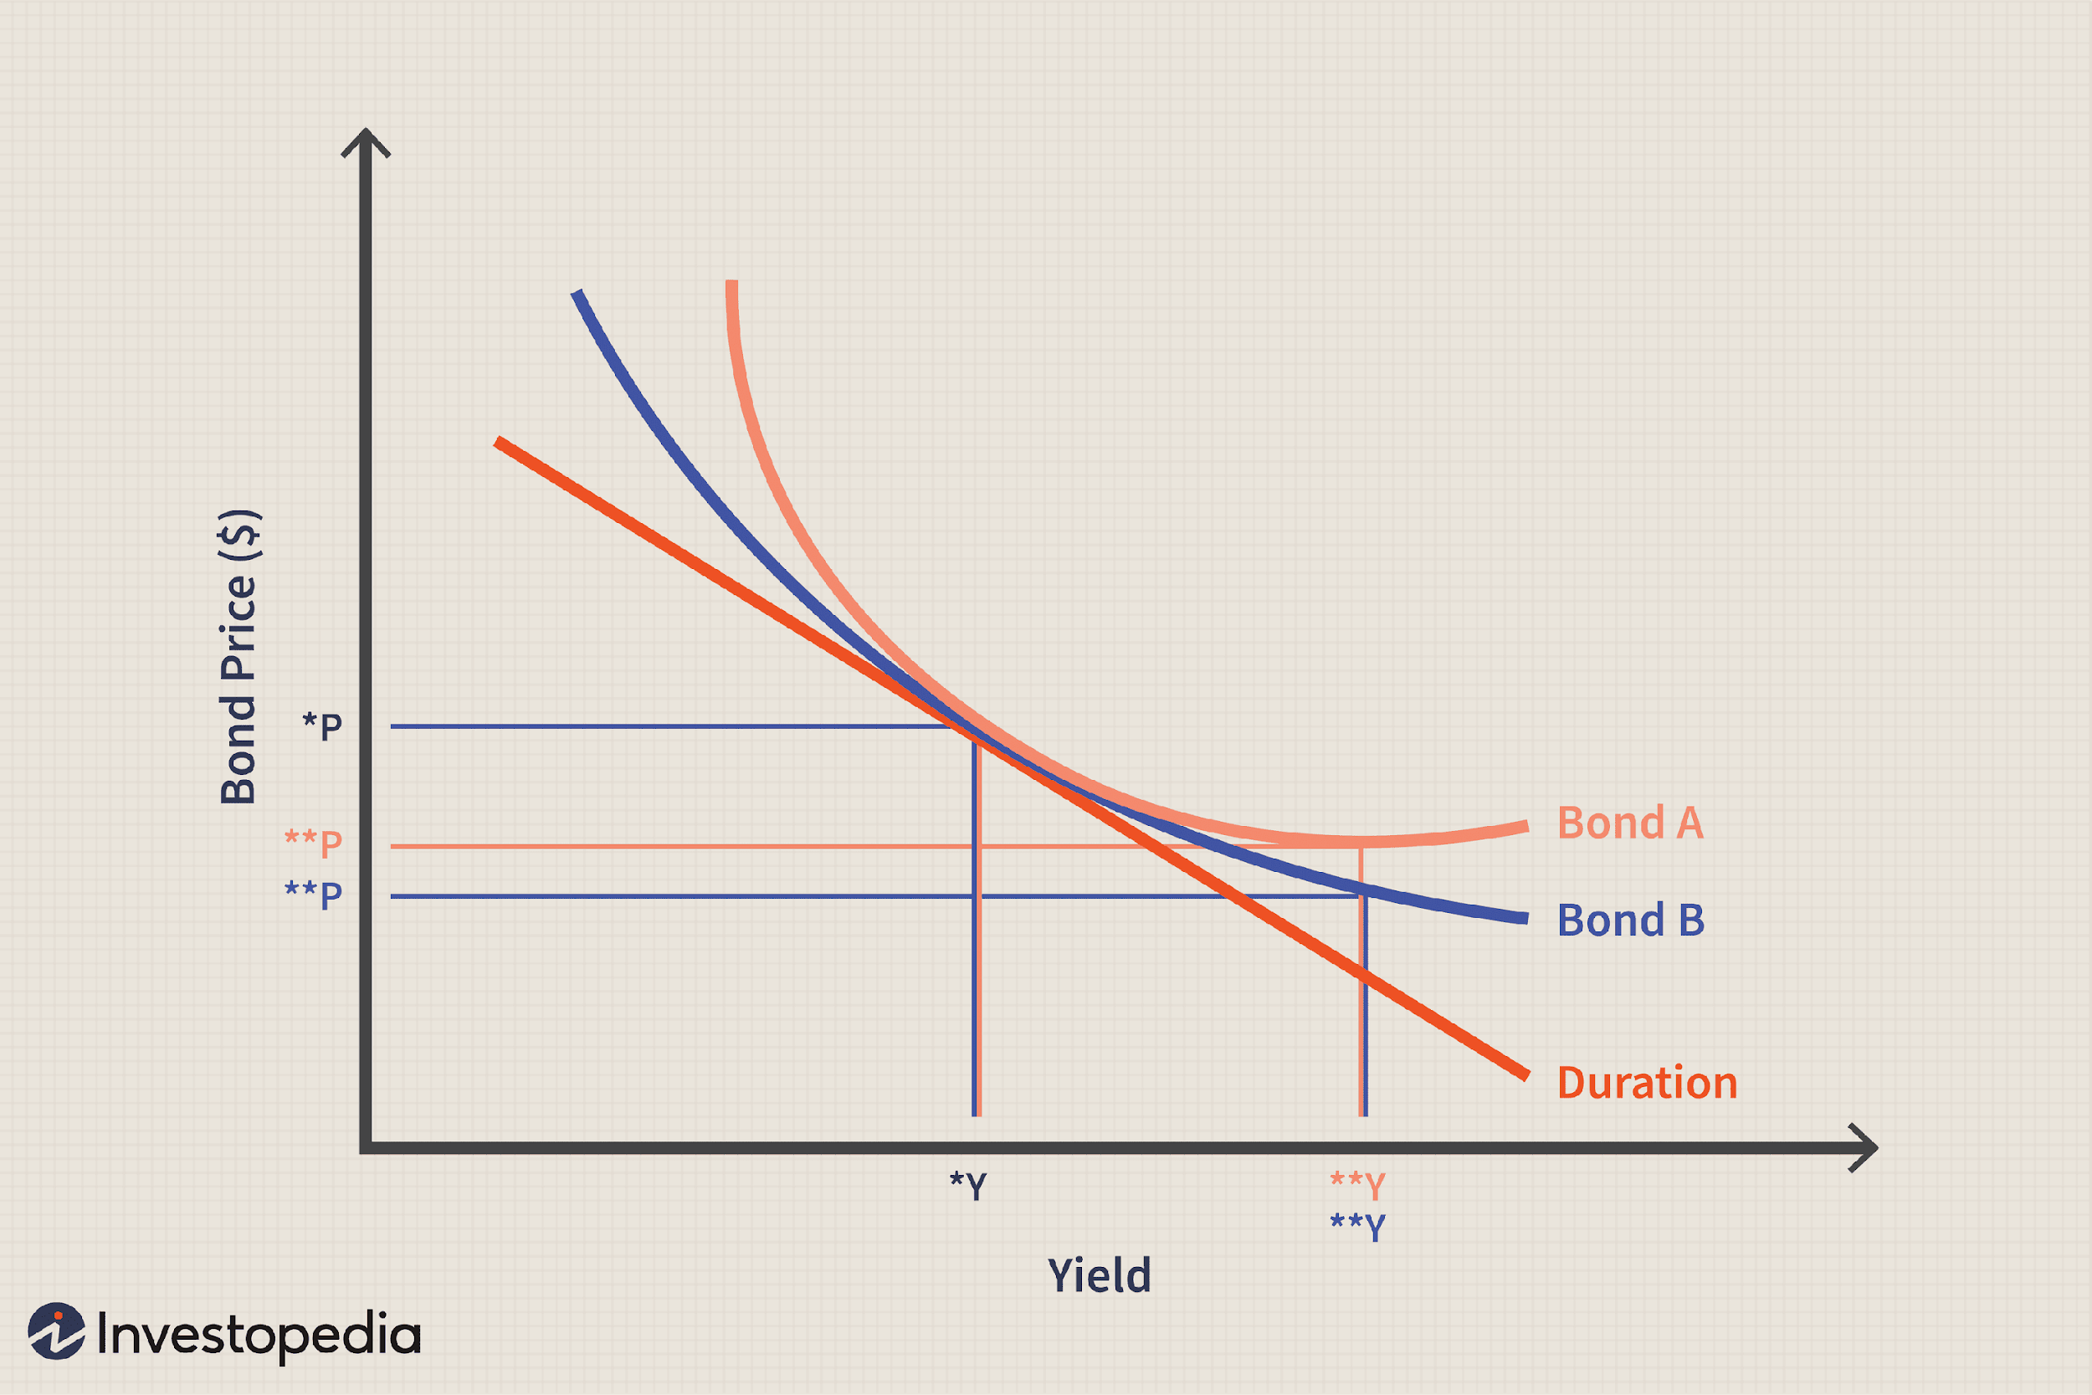

What do you notice about change in yield on bond price for Bond A and Bond B?
The change in yield usually leads to a higher bond price in bond A and Bond A changes more for every change in yield
Why is duration a straight line tangent to the Bonds?
Duration measures the rate of change at yield Y*
Does duration change as yield changes? | Yes

Which bond do you think is more desirable, likely worth more? |  |  | Bond A
 |  |  |  | TRUE
 |  |  |  | FALSE
EXTRA: Rising Interest rates and Commodities article |  |  |  | https://www.thebalancemoney.com/commodity-prices-when-interest-rates-rise-4084273
...

